screenshot

Defect 15


Defect 16
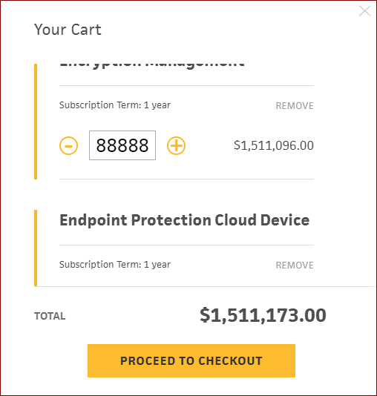

defect 22

defect 28


defect 30

defect 33

